1. Title Page
Analysis for Instacart Grocery Basket

Project Name: Analysis for Instacart Grocery Basket
Date: March 2023
Analyst Name: Raul G Torres

Contents:
Population Flow
Consistency checks
Wrangling steps
Column derivations
Visualizations
Recommendations

2. Population Flow
Title page

Population flow

Exclusion flag
Condition: max_order < 5
Obervations to be removed: Customers PII information
Final total count of order_products_all: 21,695,423

Orders_products_combined
Orders_products_merged
Orders_products_all

Total: 32,435,059
Total: 32,421,089
Total: 32,435,059

1.) The grey boxes in the first row of the population flow represent the original data sets as they were when you downloaded them. In the Total fields you need to add the count of the rows when you imported the data set into Jupyter.
2.) The second row of boxes (coloured) represents the data sets after you manipulated them, e.g., removed missing values and duplicates. In the Total fields you need to add the count of the rows after conducting these operations. This offers a visual oveview of how the data flows throughout the data consistency checks.
3.) The third row, where also the arrows are coloured, represents the merges you performed between the datasets. In the Total fields you need to add the count of the rows in the merged datasets, so that you end up with the final dataset (in the red box). Keep in mind the final dataset should be without exclusions (based on the exclusion flag).

3. Consistency checks
 |  |  |  | Title page
Consistency checks

Dataset | Missing values | Missing values treatment | Duplicates
orders | 206,209 | 206,209 new customers were missing the value of 'days_since_prior_order' | 0
products | 16 missing values found on product_name | filtered out the missing values by creating a subset | 5
orders_products_prior | 0 | 0 | 0
customers | 11,259 in first_nname column | 0 | 0

4. Wrangling steps
 |  |  |  |  |  | Title page
Wrangling steps

Data Set | Columns | Columns dropped | Columns renamed | Columns' type changed | Comment/Reason
Orders |  | eval_set |  |  | Data did not have an impact
 | order_dow |  | orders_day_of_week | float64 to float8 | Have more clarity
 | orders_id |  |  | int to string | Better explained
 | user_id |  |  | ('int64') to ('int32')
 | order_number |  |  | ('int64') to ('int32')
 | order_hour_of_day |  |  | ('int64') to ('int8')
 | days_since_prior_order |  |  | ('float64') to ('float16')
Products | aisle_id |  |  | ('int64') to ('int8') | Space constraints
 | department_id |  |  | ('int64') to ('int8') | Space constraints
 | prices
 | product_id |  |  | ('float64') to ('float16') | Space constraints
Customers | user_id |  |  | ('int64') to ('int32') | Space constraints
 | First Name | First Name
 | Surnam | Surnam
 | Gender |  | gender |  | Consistent naming conventions
 | STATE |  | state
 | Age |  | age | ('int64') to ('int8')
 | date_joined |  |  | string to datetime
 | n_dependants |  |  | ('int64') to ('int16') | Space constraints
 | fam_status
 | income |  |  | ('int64') to ('int32') | Space constraints

5. Column derivations
 |  |  |  | Title page

Column derivations and aggregations

In this tab you should add tables below that the frequences of flags/label variables that you produced after deriving them. NB: don't do this for continuous variables, only for flags.
Dataset | New column | Column/s it was derived from | Conditions
full_merged | price_range_loc | prices | df_ords_prods_merged['prices'] > 15, 'price_range_loc'] = 'High-range product' 'prices' <= 15) & 'prices' > 5), 'price_range_loc'] = 'Mid-range product' 'prices' <= 5, 'price_range_loc'] = 'Low_range product'
 | busiest_days | order_day_of_week | for value in df_ords_prods_merged['orders_day_of_week']: if value == 0 or value == 1: result.append('Busiest days') elif value == 3 or value == 4: result.append('Slowest days') else: result.append('Regularly busy')
 | busiest_period_of_day | order_hour_of_day | for hour in df_ords_prods_merged['order_hour_of_day']: if hour in [10, 11, 14, 15, 13, 12, 16, 9]: result.append('Most orders') elif hour in [23, 6, 0, 1, 5, 2, 4, 3]: result.append('Fewest orders') else: result.append('Average orders')
full_merged4 | spending_flag | avg_price | ['avg_price'] >= 10, 'spending_flag']='High spender' ['avg_price'] < 10, 'spending_flag']='Low spender'

 | order_freq | user_id days_since_prior_order | ['order_freq'] > 20, 'order_freq_flag'] = 'Non-frequent customer' ['order_freq'] > 10) & (df['order_freq'] <= 20), 'order_freq_flag'] = 'Regular customer' ['order_freq'] <= 10, 'order_freq_flag'] = 'Frequent customer'
 | order_freq_flag | order_freq | order_freq' > 20, 'order_freq_flag'] = 'Non-frequent customer' 'order_freq' > 10 & 'order_freq' <= 20, 'order_freq_flag'] = 'Regular customer' 'order_freq' <= 10, 'order_freq_flag'] = 'Frequent customer'
customers | dependants_loc | n_dependants | n_dependants'] >= 1, 'dependants_loc'] = 'Has dependants' 'n_dependants'] < 1, 'dependants_loc'] = 'No dependants'
 | exclusion_flag | max_order | ['max_order'] < 5, 'exclusion_flag'] = 'low-activity' ['max_order'] >= 5, 'exclusion_flag'] = 'high-activity'
big_sample | region | state | region1_NE = ['ME', 'NH', 'VT', 'MA', 'RI', 'CT', 'NY', 'PA', 'NJ'] region2_MW = ['WI', 'MI', 'IL', 'IN', 'OH', 'ND', 'SD', 'NE', 'KS', 'MN', 'IA', 'MO'] region3_S = ['DE', 'MD', 'DC', 'VA', 'WV', 'NC', 'SC', 'GA', 'FL', 'KY', 'TN', 'MS', 'AL', 'OK', 'TX', 'AR', 'LA'] region4_W = ['ID', 'MT', 'WY', 'NV', 'UT', 'CO', 'AZ', 'NM', 'AK', 'WA', 'OR', 'CA', 'HI'] ['state'].isin(region1_NE), 'region'] = 'Northeast' ['state'].isin(region2_MW), 'region'] = 'Midwest' ['state'].isin(region3_S), 'region'] = 'South' ['state'].isin(region4_W), 'region'] = 'West
high_activity_customers | age_category | age | >= 18 & < 40 'Youth' >= 40 & < 65 'Middle Age' > 65 Senior
 | income_flag | income | < 70,000 'Low' >= 70,000 & < 120,000 'Middle' >= 120,000 'High'
 | profile_age | fam_status income_flag | (fam_status == 'single') & (income_flag == 'High') = 'high-income single adult' (fam_status == 'single') & (income_flag == 'Middle') = 'mid-income single adult' (fam_status == 'single') & ('income_flag == 'Low') = 'low-income single adult' (fam_status == 'married') & (income_flag == 'High') = 'high-income married adult' (fam_status == 'married') & (income_flag == 'Middle') = 'mid-income married adult' (fam_status == 'married') & (income_flag == 'Low') = 'low-income married adult' (fam_status == 'divorced/widowed') & (income_flag == 'High') = 'high-income divored/widowed adult' (fam_status == 'divorced/widowed') & (income_flag == 'Middle') = 'mid-income divorced/widowed adult' (fam_status == 'divorced/widowed') & (income_flag == 'Low') = 'low-income divorced/widowed adult' (fam_status == 'living with parents or siblings') & (income_flag == 'High') = 'high-income living with family adult' (fam_status == 'living with parents or siblings') & (income_flag == 'Middle') = 'mid-income living with family adult' (fam_status == 'living with parents or siblings') & (income_flag == 'Low') = 'low-income living with family adult'
 | profile_fam | dependants_loc income_flag | (dependants_loc == 'Has dependants') & (income_flag == 'High') = 'high-income family' (dependants_loc == 'Has dependants') & ('income_flag' == 'Middle') = 'mid-income family' (dependants_loc == 'Has dependants') & (income_flag' == 'Low') = 'low-income family' (dependants_loc == 'No dependants') & (income_flag == 'High') = 'high-income no dependants' (dependants_loc == 'No dependants') & (income_flag == 'Middle') = 'mid-income no dependants' (dependants_loc == 'No dependants') & (income_flag == 'Low') = 'low-income no dependants'
 | alcohol_drinker | department | ['department'] !='alcohol', 'alcohol_drinker'] = 'No' ['department'] =='alcohol', 'alcohol_drinker'] = 'Yes'
 | pet_owner |  | [df['department'] == 'pets', 'pet_owner'] = 'Yes' [df['department'] != 'pets', 'pet_owner'] = 'No'
 | order_time_period | order_hour_of_day | for hour in df['order_hour_of_day']: if hour in [0, 1, 2, 3, 4, 17, 18, 19, 20, 21, 22, 23]: result.append('Night owl') elif hour in [5, 6, 7, 8]: result.append('Early bird') else: result.append('Regular')

6. Visualizations
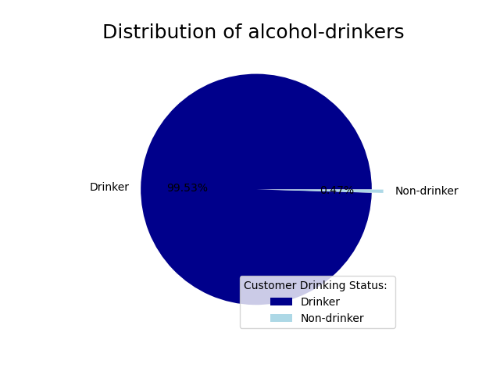
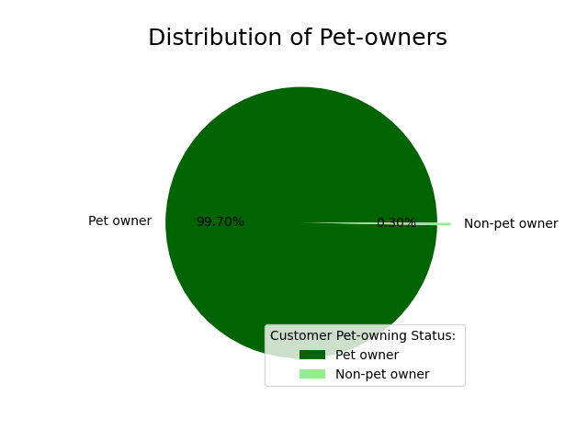
 |  | Title page

Visualisations

In this tab you should include all the visualtions from Exercises 4.9 and 4.10, alongside the questions from the project brief that they answer. Include any commentary on the relationship between different variables.

Question 1 | The sales team needs to know what the busiest days of the week and hours of the day are (i.e., the days and times with the most orders) in order to schedule ads at times when there are fewer orders.
Answer | Saturday and Sunday are the most popular days on the week.

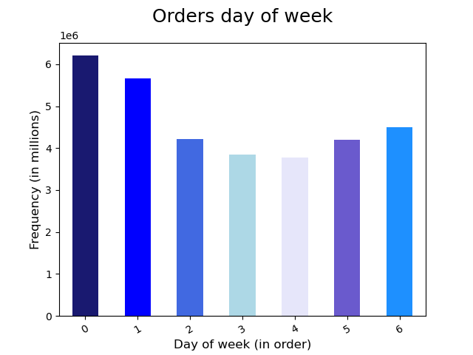
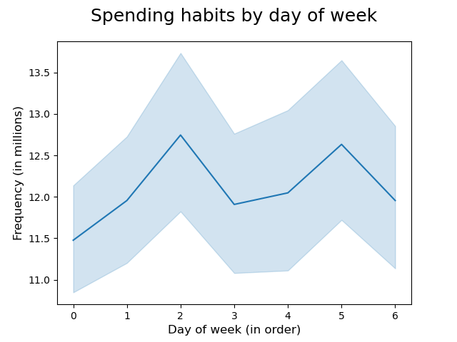
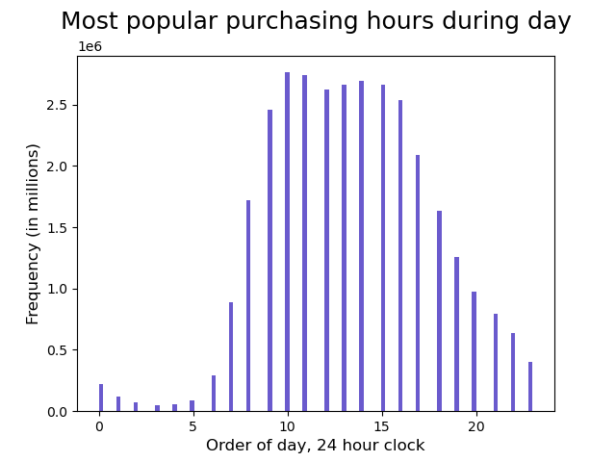

Question 2 | The sales team want to know whether there are particular times of the day when people spend the most money, as this might inform the type of products they advertise at these times.
Answer | The most popular purchasing time is from 9am and 5pm, with a peak between the hours 10am to 3pm

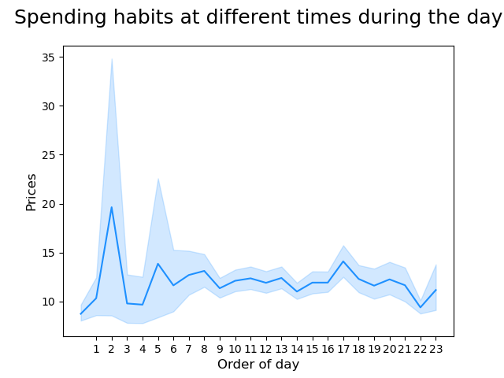
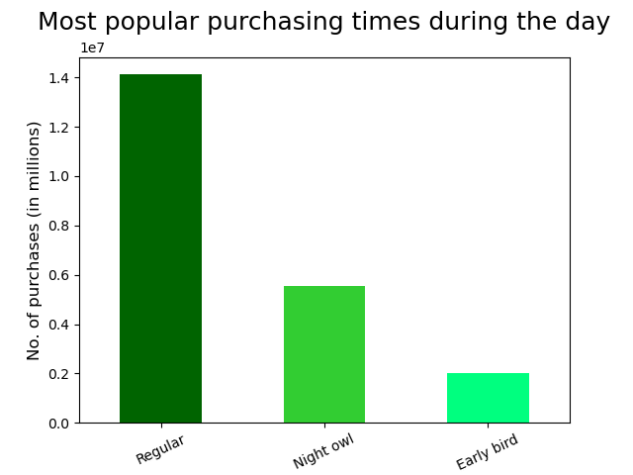

Question 3 | Instacart has a lot of products with different price tags. Marketing and sales want to use simpler price range groupings to help direct their efforts.
Answer | Distribution of product prices show a range from $1 and $25. The chart shows that most of the products being bought/sold are under $15. Then a Number of purchase by department range was made showcasing three categories: low, medium and high.

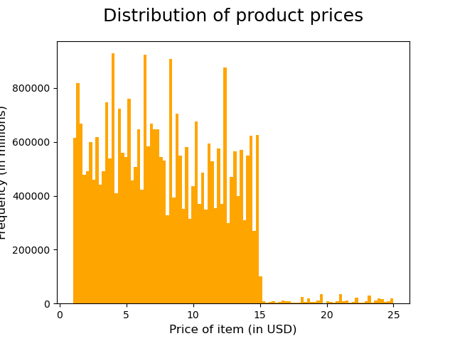
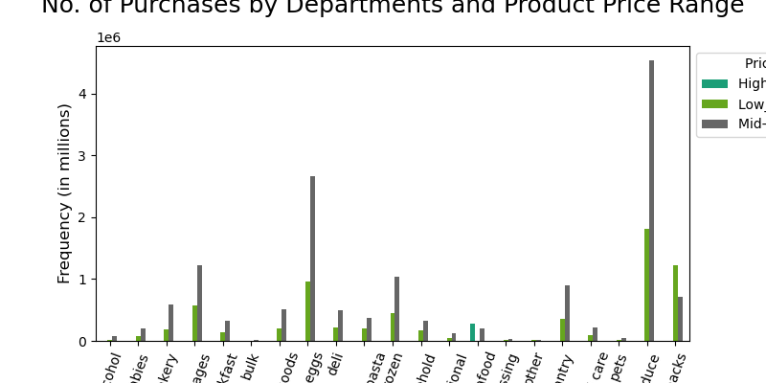

Question 4 | Are there certain types of products that are more popular than others? The marketing and sales teams want to know which departments have the highest frequency of product orders.
Answer | The chart above, shows that the most products being sold are produce, eggs and snacks. The chart below, confirms such data as it shows produce as the most puchased category.

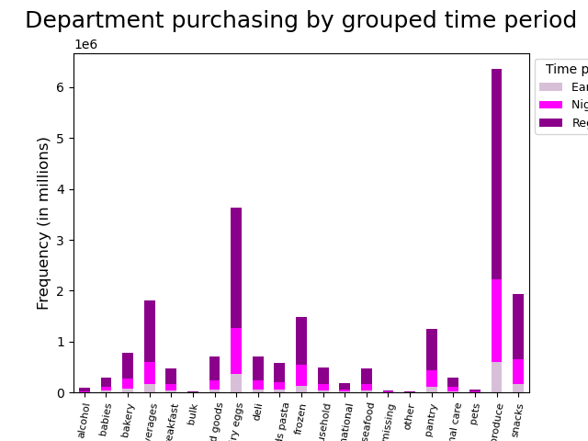

Question 5 | The marketing and sales teams are particularly interested in the different types of customers in their system and how their ordering behaviors differ. For example:
 | A. What’s the distribution among users in regards to their brand loyalty (i.e., how often do they return to Instacart)? B. Are there differences in ordering habits based on a customer’s loyalty status? C. Are there differences in ordering habits based on a customer’s region? D. Is there a connection between age and family status in terms of ordering habits? E. What different classifications does the demographic information suggest? Age? Income? Certain types of goods? Family status? F. What differences can you find in ordering habits of different customer profiles? Consider the price of orders, the frequency of orders, the products customers are ordering, and anything else you can think of.

Answer A | New customers, less than 10 orders Regular customers, between 10 and 40 orders. Loyal customers, more than 40 orders.

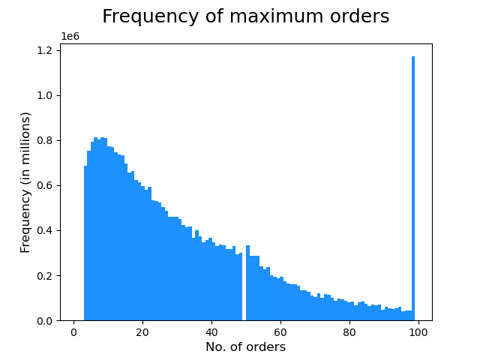
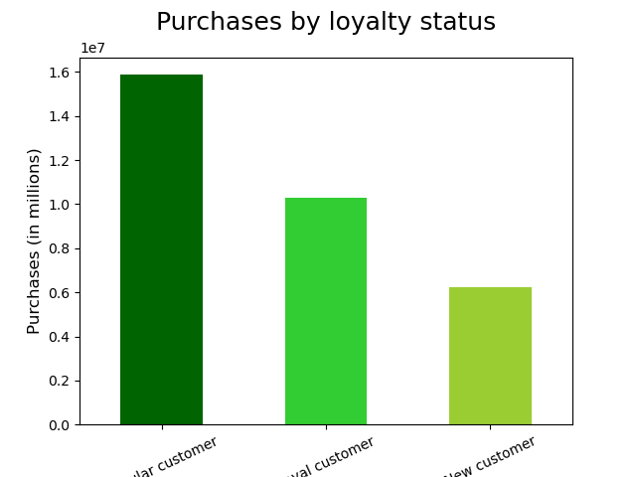

Answer B | Loyalty does not appear to have an impact on the types of products customers consume. Regular customers seem to be the higher category for purchases followed by loyal customers and new customers.

Answer C | USA states were group into four categories based on geographical location: Midwest, Northeast, South, West. Found that the South region was the largest number of purchases, followed by West, Midwest and Northeast

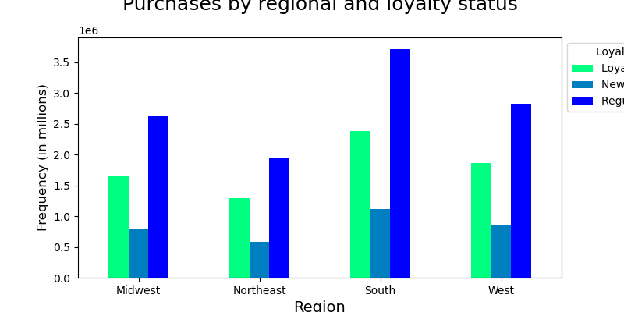
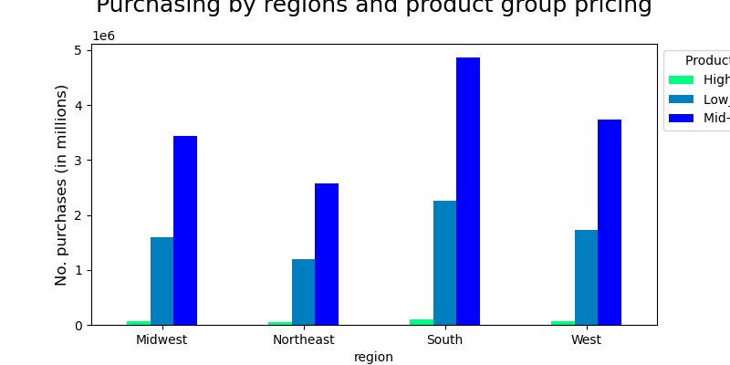

Answer D | Instacart has more purchases from customers with dependants as those without dependants.

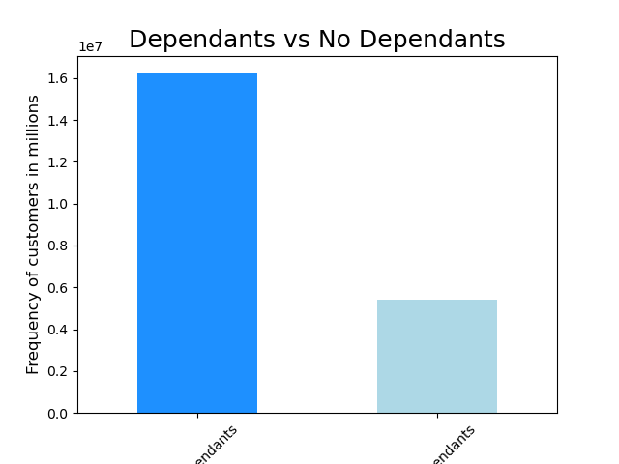
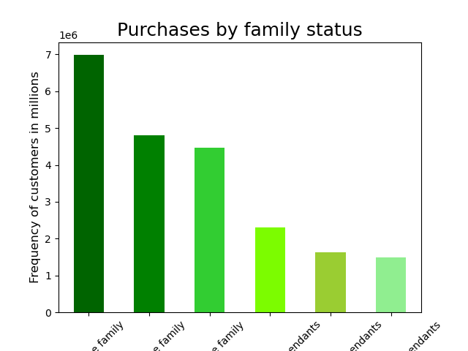

Answer E

AGE | The age group was divided into three categories. Youth was appointed from 18 to 39, Middle from 40 to 64 and Seniors from 65 years and older. There are similarities between the three groups on purchases in days of the week.

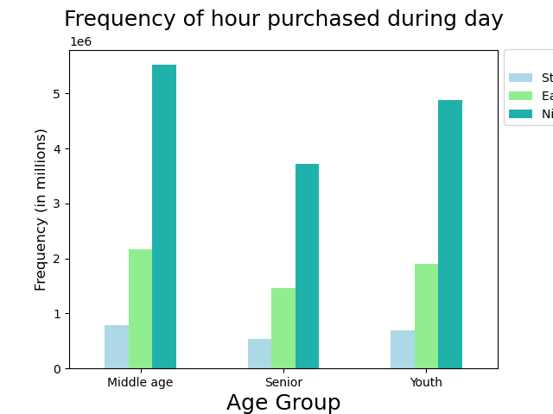
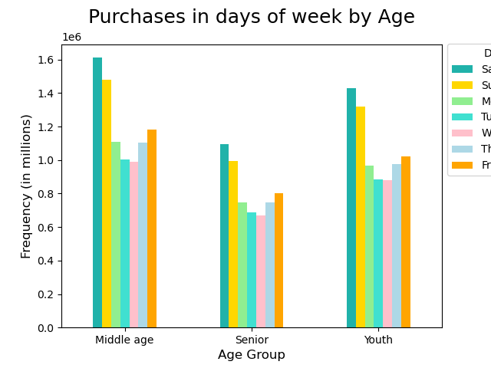

INCOME | The average customer earns less than 180,000.00 USD. Groups were classified into three categories: Low less than 70K Middle 70k to 120K High more thann 120K

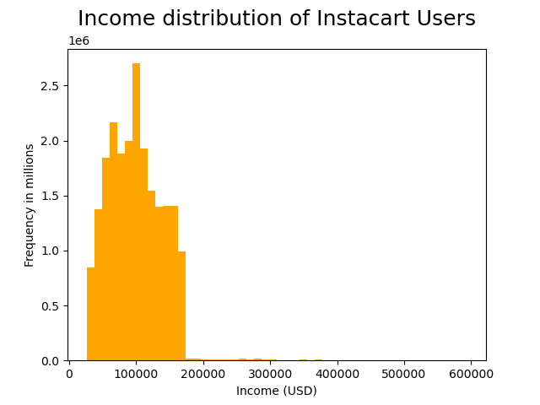
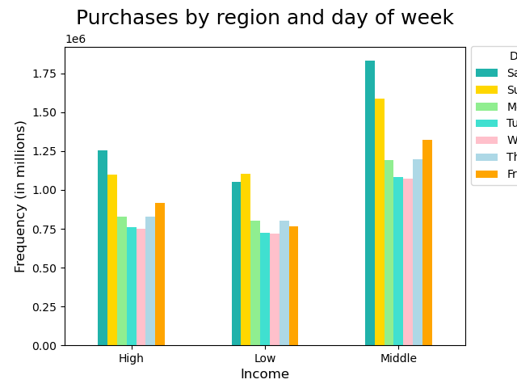
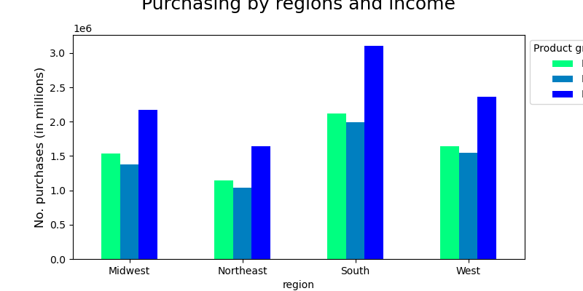

FAMILY STATUS | Low income families overall buy more snacks than produce, but the difference is not significant as I would have expected compared to families with middle and high income.




Answer F | Majority of customers have bought from the alcohol and pet department.

7. Recommendations
 |  |  | Title page

Recommendations

In this tab you should include any recommendations you would made to Instcart in terms of their marketing strategy based on the questions posed in the brief. Every key question has been covered in the Tasks of the Exercises - here you need to add an item - a visualisation or table/crosstable that is showing the answer in the data, acompanied by a comment from you. Please, list the questions below and add the answer underneath.

Question |  | Reccomendation
Key Question 1 | Saturday and Sunday are the most popular days on the week. | Instacart should give some type of incentive for the customers to go during the week, it could increase overall sales.
Key Question 2 | The most popular purchasing time is from 9am and 5pm, with a peak between the hours 10am to 3pm
Key Question 3 | Distribution of product prices show a range from $1 and $25. The chart shows that most of the products being bought/sold are under $15. Then a Number of purchase by department range was made showcasing three categories: low, medium and high. | Instacart can promote deals of the produce department to keep up increasing sales.
Key Question 4 | The chart above, shows that the most products being sold are produce: eggs and snacks. The chart below, confirms such data as it shows produce as the most puchased category. | In this case, instacart can hand easy recipes on the produce aisle, that promote purchases.

